Sheet1
PRODUCT IMAGE | PRODUCT NAME | PRODUCT SIZE | PRODUCT COLOUR | CURRENT STOCK AVAILABLE | RETAIL PRICE (Not Sale Price) | Line RRP | LINK TO PRODUCT
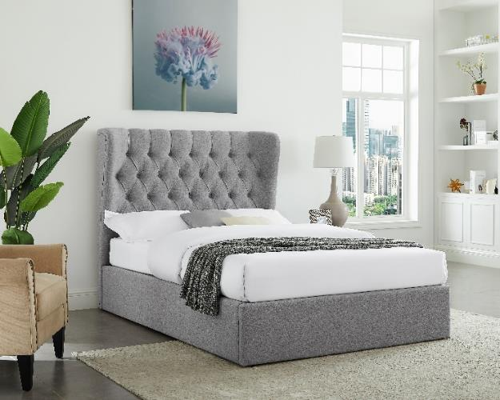 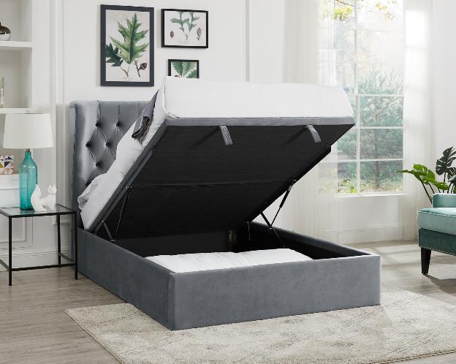 | CALYPSO - Lift Up ottoman bed | DOUBLE | VELVET SKY FABRIC | 20 | £1,299.00 | £25,980.00 | https://www.furniturevillage.co.uk/calypso-ottoman-bed-frame/ZFRSP000000000038321.html?dwvar_ZFRSP000000000038321_color=velvet-sky-1688-19&dwvar_ZFRSP000000000038321_size=4ft6
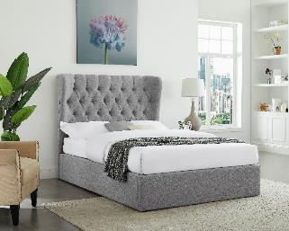 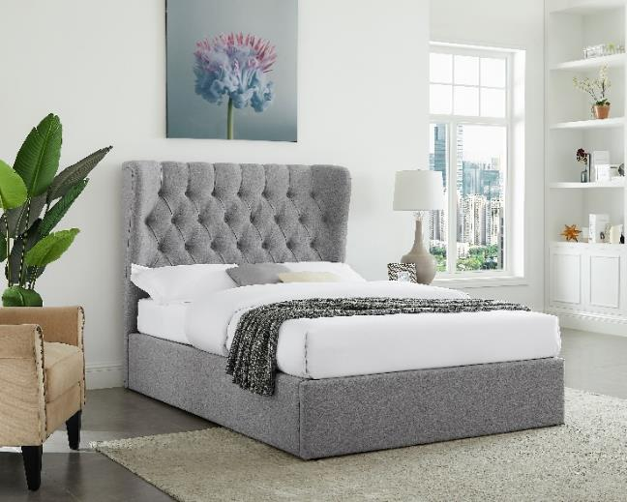 | CALYPSO - Lift Up ottoman bed | SUPER KING | BRUSHED VELVET SILVER FABRIC | 14 | £1,699.00 | £23,786.00 | https://www.furniturevillage.co.uk/calypso-ottoman-bed-frame/ZFRSP000000000038321.html?dwvar_ZFRSP000000000038321_color=velvet-sky-1688-19&dwvar_ZFRSP000000000038321_size=4ft6
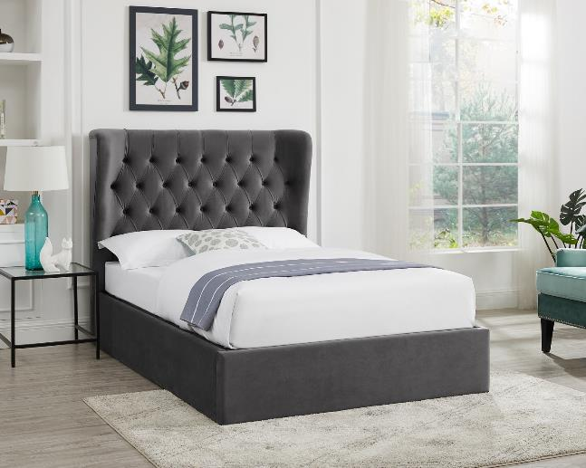 | CALYPSO - Lift Up ottoman bed | SUPER KING | VELVET SKY FABRIC | 33 | £1,699.00 | £56,067.00 | https://www.furniturevillage.co.uk/calypso-ottoman-bed-frame/ZFRSP000000000038321.html?dwvar_ZFRSP000000000038321_color=velvet-sky-1688-19&dwvar_ZFRSP000000000038321_size=4ft6
 | CALYPSO - Lift Up ottoman bed | SUPER KING | WOOL GREY FABRIC | 13 | £1,699.00 | £22,087.00 | https://www.furniturevillage.co.uk/calypso-ottoman-bed-frame/ZFRSP000000000038321.html?dwvar_ZFRSP000000000038321_color=velvet-sky-1688-19&dwvar_ZFRSP000000000038321_size=4ft6
 | CALYPSO - Lift Up ottoman bed | SUPER KING | VELVET SKY FABRIC | 20 | £1,699.00 | £33,980.00 | https://www.furniturevillage.co.uk/calypso-ottoman-bed-frame/ZFRSP000000000038321.html?dwvar_ZFRSP000000000038321_color=velvet-sky-1688-19&dwvar_ZFRSP000000000038321_size=4ft6
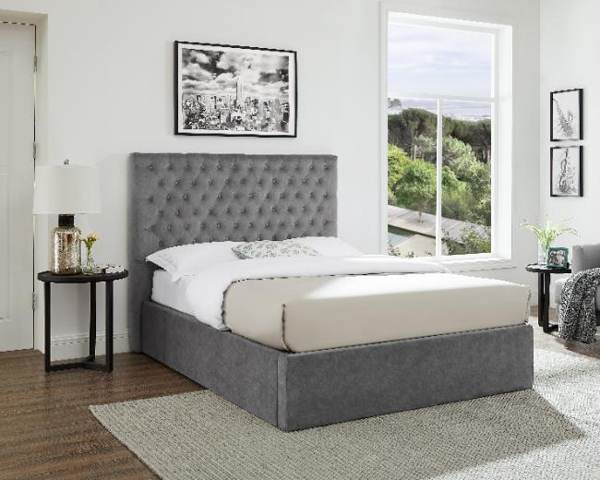 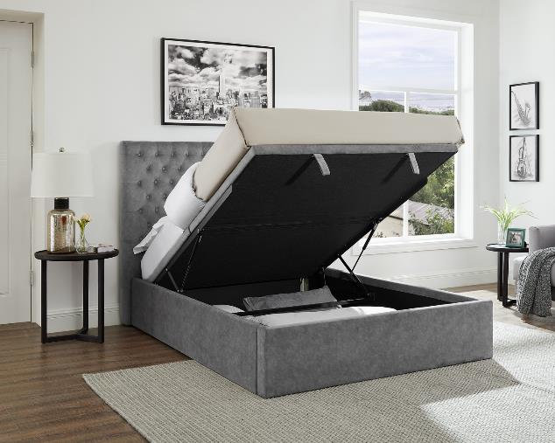 | GARCIA - Lift Up ottoman bed | SUPER KING | VELVET SMOKE FABRIC | 11 | £1,299.00 | £14,289.00 | https://www.furniturevillage.co.uk/garcia-ottoman-bed-frame/ZFRSP000000000038370.html?dwvar_ZFRSP000000000038370_color=velvet-smoke-1688-22 &dwvar_ZFRSP000000000038370_size=4ft6&fq=redirect-Garcia
 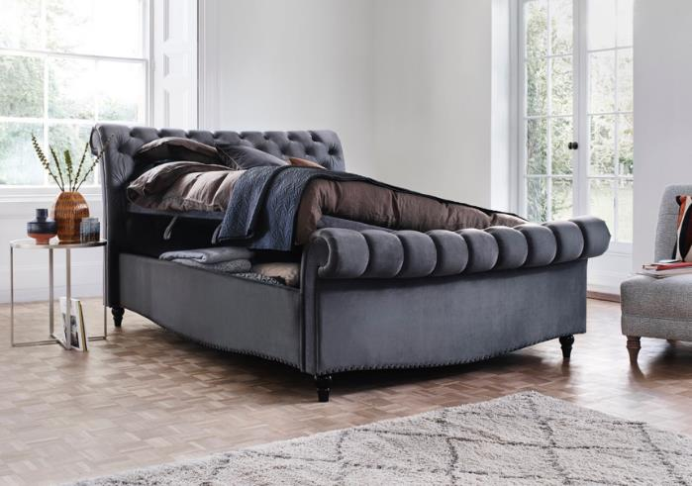 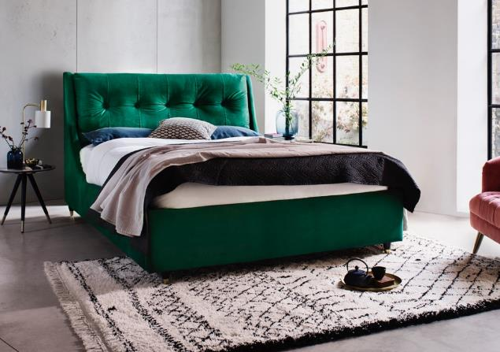 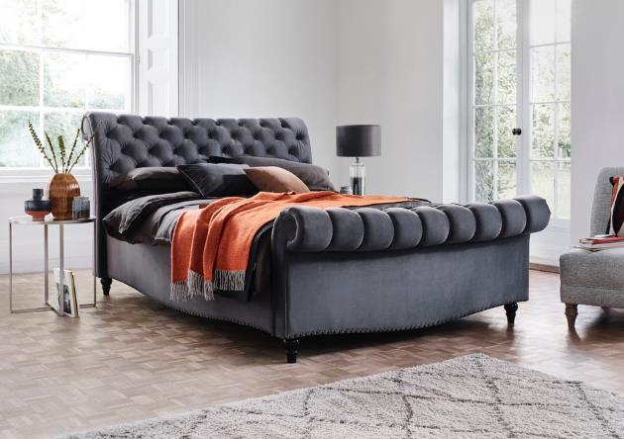 | AURORA - Lift Up ottoman bed | DOUBLE | BRUSHED VELVET | 57 | £1,499.00 | £85,443.00 | https://www.furniturevillage.co.uk/aurora-side-lift-ottoman-bed-frame/ZFRSP000000000041905.html?dwvar_ZFRSP000000000041905_color=wool-grey&dwvar_ZFRSP000000000041905 _size=4ft6&fq=redirect-aurora
 | AURORA - Lift Up ottoman bed | DOUBLE | WOOL GREY FABRIC | 50 | £1,499.00 | £74,950.00 | https://www.furniturevillage.co.uk/aurora-side-lift-ottoman-bed-frame/ZFRSP000000000041905.html?dwvar_ZFRSP000000000041905_color=wool-grey&dwvar_ZFRSP000000000041905_size=4ft6&fq=redirect-aurora
 | AURORA - Lift Up ottoman bed | KINGSIZE | WOOL GREY FABRIC | 28 | £1,599.00 | £44,772.00 | https://www.furniturevillage.co.uk/aurora-side-lift-ottoman-bed-frame/ZFRSP000000000041905.html?dwvar_ZFRSP000000000041905_color=wool-grey&dwvar_ZFRSP000000000041905_size=4ft6&fq=redirect-aurora
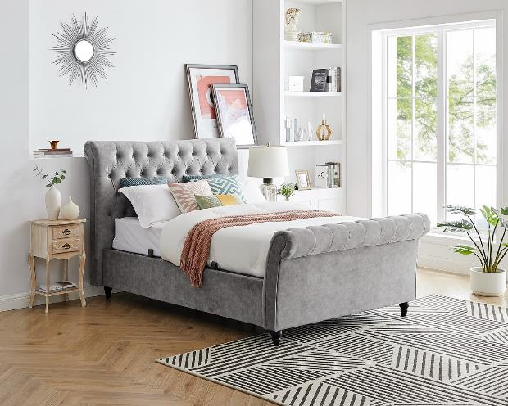 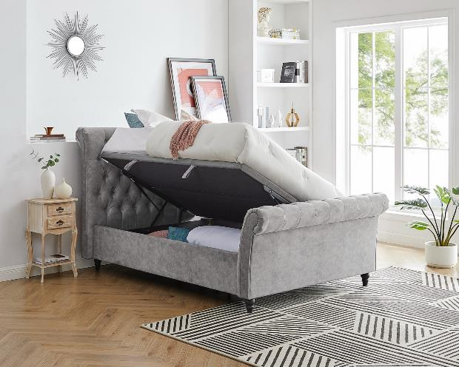 | OXFORD BED - Lift Up ottoman bed | DOUBLE | BRUSHED VELVET FABRIC | 5 | £1,299.00 | £6,495.00 | https://www.glasswells.co.uk/glasswells-collection-beds/otley-ottoman-bed-frame-velvet-silver/
 | OXFORD BED - Lift Up ottoman bed | KING | BRUSHED VELVET FABRIC | 15 | £1,299.00 | £19,485.00 | https://www.glasswells.co.uk/glasswells-collection-beds/otley-ottoman-bed-frame-velvet-silver/
 | OXFORD BED - Lift Up ottoman bed | SUPER KING | BRUSHED VELVET FABRIC | 5 | £1,299.00 | £6,495.00 | https://www.glasswells.co.uk/glasswells-collection-beds/otley-ottoman-bed-frame-velvet-silver/
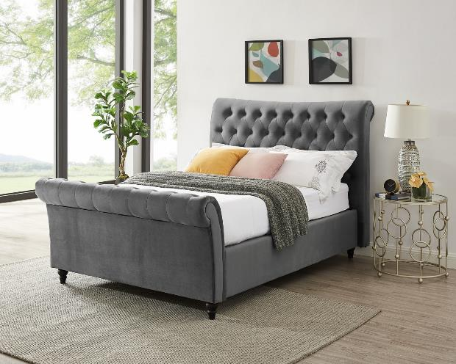 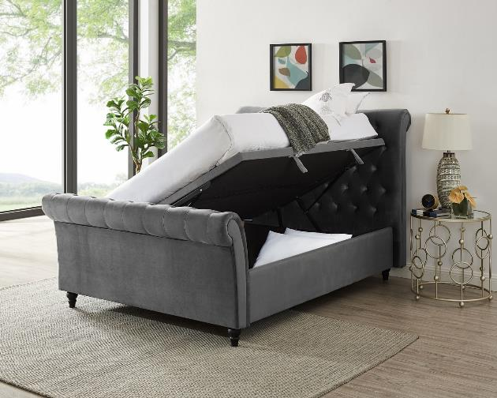 | OXFORD BED - Lift Up ottoman bed | DOUBLE | VELVET SMOKE FABRIC | 10 | £1,299.00 | £12,990.00 | https://www.glasswells.co.uk/glasswells-collection-beds/otley-ottoman-bed-frame-velvet-silver/
 | OXFORD BED - Lift Up ottoman bed | KING | VELVET SMOKE FABRIC | 20 | £1,299.00 | £25,980.00 | https://www.glasswells.co.uk/glasswells-collection-beds/otley-ottoman-bed-frame-velvet-silver/
 | OXFORD BED - Lift Up ottoman bed | SUPER KING | VELVET SMOKE FABRIC | 15 | £1,299.00 | £19,485.00 | https://www.glasswells.co.uk/glasswells-collection-beds/otley-ottoman-bed-frame-velvet-silver/
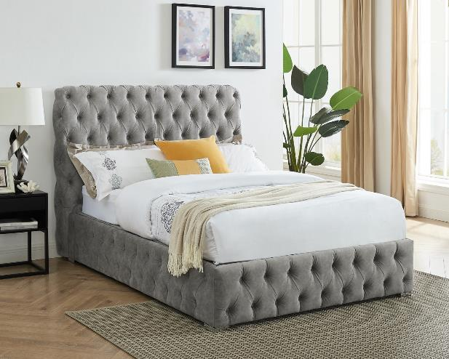 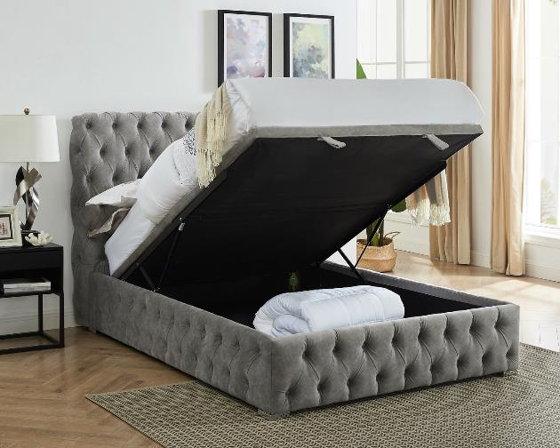 | MAYFAIR BED - Lift Up Ottoman bed | DOUBLE | BRUSHED VELVET SILVER FABRIC | 5 | £1,299.00 | £6,495.00 | https://www.glasswells.co.uk/glasswells-collection-beds/middleton-ottoman-bed-frame/
 | MAYFAIR BED - Lift Up Ottoman bed | KING | BRUSHED VELVET SILVER FABRIC | 15 | £1,399.00 | £20,985.00 | https://www.glasswells.co.uk/glasswells-collection-beds/middleton-ottoman-bed-frame/
 | MAYFAIR BED - Lift Up Ottoman bed | SUPER KING | BRUSHED VELVET SILVER FABRIC | 5 | £1,449.00 | £7,245.00 | https://www.glasswells.co.uk/glasswells-collection-beds/middleton-ottoman-bed-frame/
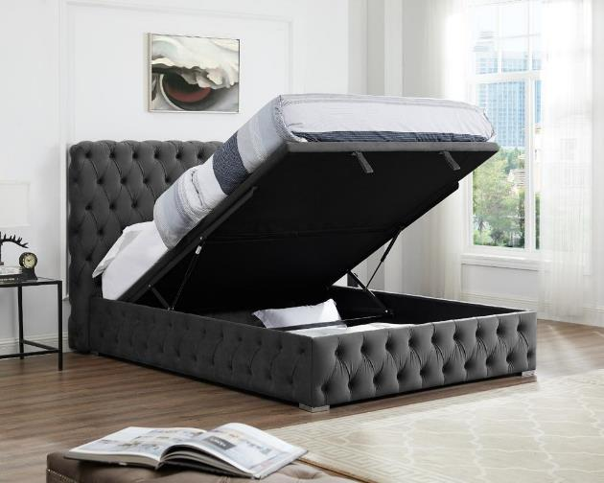 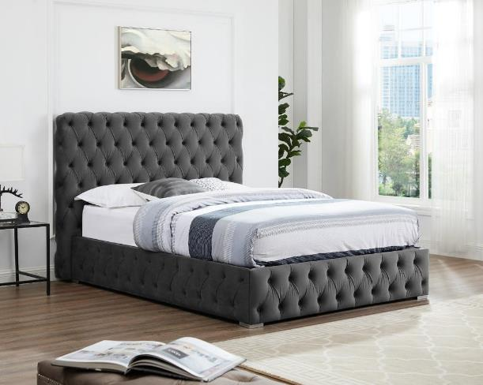 | MAYFAIR BED - Lift Up Ottoman bed | DOUBLE | VELVET SMOKE FABRIC | 5 | £1,299.00 | £6,495.00 | https://www.glasswells.co.uk/glasswells-collection-beds/middleton-ottoman-bed-frame/
 | MAYFAIR BED - Lift Up Ottoman bed | KING | VELVET SMOKE FABRIC | 55 | £1,399.00 | £76,945.00 | https://www.glasswells.co.uk/glasswells-collection-beds/middleton-ottoman-bed-frame/
 | MAYFAIR BED - Lift Up Ottoman bed | SUPER KING | VELVET SMOKE FABRIC | 10 | £1,449.00 | £14,490.00 | https://www.glasswells.co.uk/glasswells-collection-beds/middleton-ottoman-bed-frame/
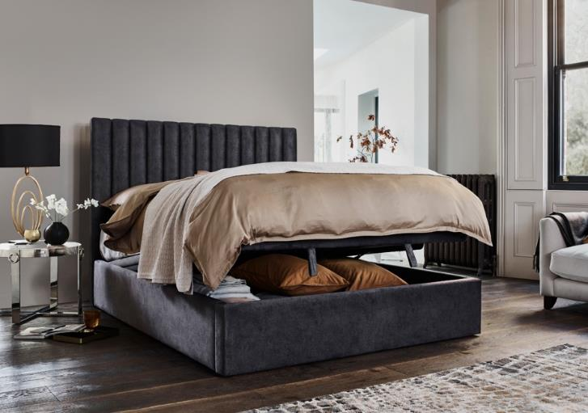 | RAMOS - Lift up Bed | KINGSIZE | VELVET SMOKE FABRIC | 27 | £1,299.00 | £35,073.00 | https://www.furniturevillage.co.uk/ramos-ottoman-bedframe/ZFRSP000000000046420.html?dwvar_ZFRSP000000000046420_color=marble-mink&dwvar_ZFRSP000000000046420_size=5ft
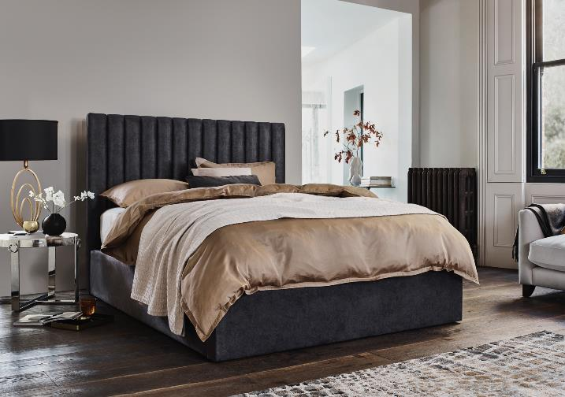 | RAMOS - Lift up Bed | SUPER KING | DAPPLE SILVER FABRIC | 80 | £1,499.00 | £119,920.00 | https://www.furniturevillage.co.uk/ramos-ottoman-bedframe/ZFRSP000000000046420.html?dwvar_ZFRSP000000000046420_color=marble-mink&dwvar_ZFRSP000000000046420_size=5ft

 |  |  |  | 518 |  | £759,932.00

